Hoja1
https://www.compuphase.com/electronics/reflowsolderprofiles.htm

Sn96.5/Ag3/Cu0.5
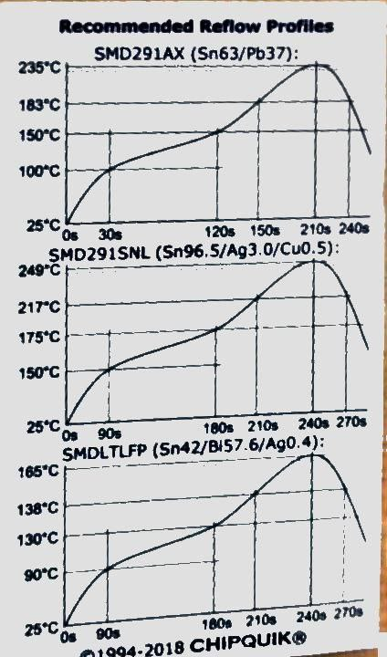
Paste | Time (s) | Temperature (ºC) | ºC/s
Sn96.5/Ag3/Cu0.5 | 0 | 50 | -
 | 80 | 150 | 1.3
 | 170 | 180 | 0.3
 | 260 | 250 | 0.8
 | 290 | 250 | 0.0
 | 390 | 50 | -2.0

Sn63/Pb37
Sn63/Pb37 | 0 | 50 | -
 | 70 | 120 | 1.0
 | 160 | 150 | 0.3
 | 250 | 220 | 0.8
 | 280 | 220 | 0.0
 | 360 | 50 | -2.1

Sn42/Bi57.6/Ag0.4 | 0 | 50 | -
 | 50 | 100 | 1.0
 | 140 | 130 | 0.3
 | 190 | 170 | 0.8
 | 220 | 170 | 0.0
Sn42/Bi57.6/Ag0.4
 | 280 | 50 | -2.0

 |  | Max ºC/s | 1.3
 |  |  | Should be <= 1
 |  |  | for most ovens

Parameters | Sn96.5/Ag3/Cu0.5 | Sn63/Pb37 | Sn42/Bi57.6/Ag0.4
Melting point | 217 | 183 | 138 | ºC
Peak temperature | 250 | 220 | 170 | ºC
Time above melting point | 40-80 | 40-80 | 40-80 | s
Max time between 100ºC and melting point | 180 | 180 | 180 | s
Soak time | 90 | 90 | 90 | s

Example reflow profiles for slow ovens

